S Channel - 12-02-2020 09
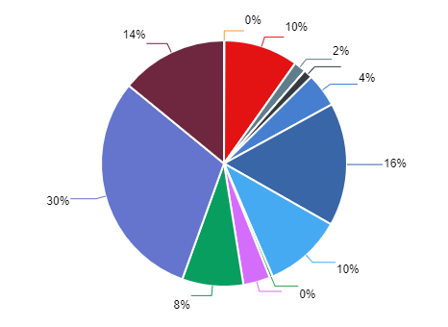
Summary Performance Operation - All Tenant
Export Time | 12-02-2020 09:52:52 | Filter Start | 2020-01-01
Export By | Deri Komara | Filter END | 2020-02-12
NO | CHANNEL_NAME | MESSAGE IN | MESSAGE OUT | UNIQUE CUSTOMER | TOTAL SESSION
1 | ChatBot | 87238 | 129.811 | 9635 | 12483
2 | Email | 54847 | 90.137 | 79727 | 79035
3 | Facebook | 21122 | 41.045 | 42384 | 18978
4 | Instagram | 20403 | 32.612 | 34821 | 12027
5 | Line | 2995 | 3.747 | 16650 | 15304
6 | Live Chat | 12732 | 14.537 | 49801 | 56128
7 | Messenger | 82896 | 149.258 | 126834 | 117772
8 | Telegram | 6316 | 10.67 | 40688 | 42880
9 | Twitter | 66003 | 94.897 | 110580 | 56476
10 | Twitter DM | 122009 | 280.156 | 185941 | 106743
11 | Voice | 394 | 541 | 541 | 541
12 | Whatsapp | 56650 | 74.194 | 8268 | 24105

